Sheet1
X (value Type) |  |  |  |  |  | x | arr | 123 | 124 | 125
10 | arr[0] | arr[1] | arr[2] |  |  | 10 | 123 | 10 | 20 | 30
 | (0xfc1+0) | (0xfc1+1) | (0xfc1+2)
arr (reference type) | 0xfc1 | 0xfc2 | 0xfc3 |  |  | num | numbers
0xfc1 | Z | B | C |  |  | 100 | 123
arr2 (reference type)
0xfc1
Y (value Type)
10

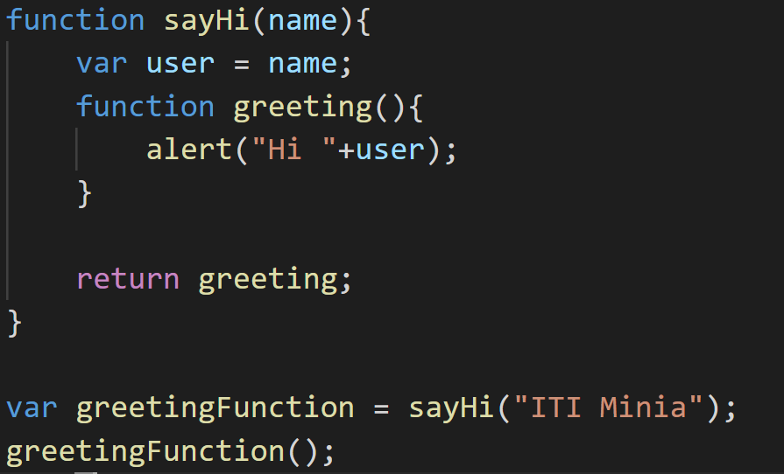
 |  |  |  | var GreetingFunction
 |  |  |  | {alert("Hi "+user);}

 |  |  |  | name | user
 |  |  |  | ITI Minia | ITI Minia

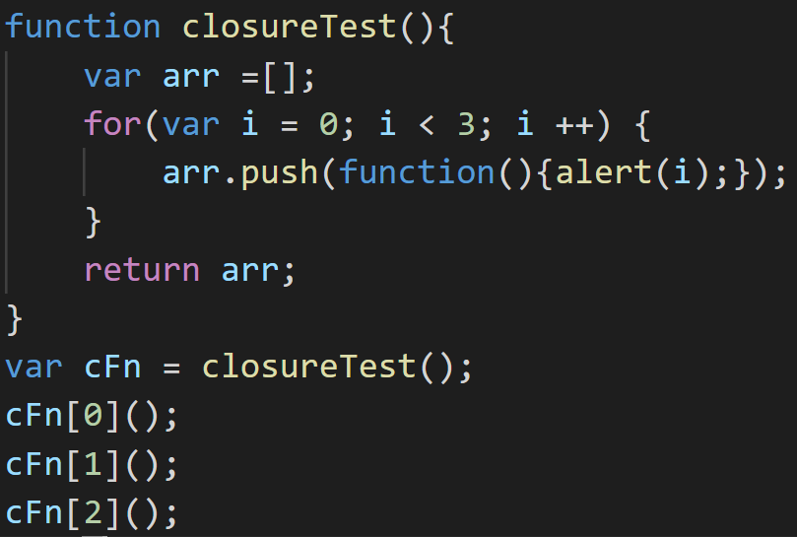
 |  |  | cFn
 |  |  | 0xfc1

 |  |  | arr |  | 0xcf1 | 0xcf2 | 0xcf3
 |  |  | 0xfc1 |  | {alert(i)} | {alert(i)} | {alert(i)}

 |  |  | i
 |  |  | 3

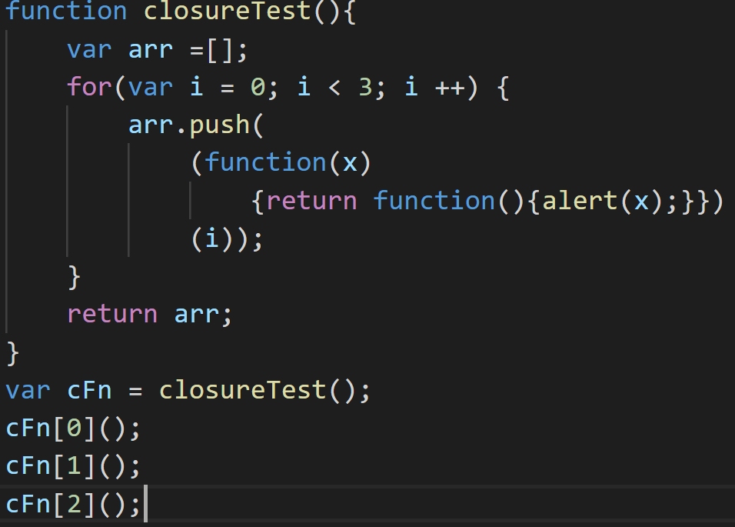
 |  |  | cFn
 |  |  | 0xfc1

 |  |  | arr |  | 0xfc1 | 0xfc2 | 0xfc3
 |  |  | 0xfc1 |  | alert(x) | alert(x) | alert(x)
 |  |  |  |  | x | x | x
 |  |  |  |  | 0 | 1 | 2
 |  |  | i
 |  |  | 3

